1. Title Page
Instacart Grocery Basket Analysis

Project Name: Instacart Grocery Basket Analysis
Date: May 24, 2023
Analyst Name: Mindy Duong

Contents:
Population Flow
Consistency checks
Wrangling steps
Column derivations
Visualizations
Recommendations

2. Population Flow
Title page

Population flow

Exclusion flag
Condition: max_order < 5
Obervations to be removed: 1,440,295
Final total count of order_products_all: 30,964,564

Orders_products_combined
Orders_products_merged
Orders_products_all

Total: 32,434,489
Total: 32,404,859
Total: 32,404,859

1.) The grey boxes in the first row of the population flow represent the original data sets as they were when you downloaded them. In the Total fields you need to add the count of the rows when you imported the data set into Jupyter.
2.) The second row of boxes (coloured) represents the data sets after you manipulated them, e.g., removed missing values and duplicates. In the Total fields you need to add the count of the rows after conducting these operations. This offers a visual oveview of how the data flows throughout the data consistency checks.
3.) The third row, where also the arrows are coloured, represents the merges you performed between the datasets. In the Total fields you need to add the count of the rows in the merged datasets, so that you end up with the final dataset (in the red box). Keep in mind the final dataset should be without exclusions (based on the exclusion flag).

3. Consistency checks
 |  |  |  | Title page
Consistency checks

Dataset | Missing values | Missing values treatment | Duplicates
orders | 206209 from "days_since_last_order" column | No changes; these were first time orders so there wouldn't be any "last order" data for them. | N/A
products | 16 from "product_name" | Removed. | 5; removed.
orders_products_prior | None | N/A | N/A
customers | None | N/A | N/A

4. Wrangling steps
 |  |  |  | Title page
Wrangling steps

Columns dropped | Columns renamed | Columns' type changed | Comment/Reason
"eval_set" from orders.csv |  |  | Only had one value ("prior") in column which provides no insight for our analysis
 | "order_dow" from orders.csv |  | Viewers may not know "dow" stands for "day of week," so I spelled it out to "order_day_of_week"
 |  | "order_id" from orders.csv | While this category is numeric, it is not a calculable field, so it was changed to a string type
 |  | "user_id" from orders.csv | While this category is numeric, it is not a calculable field, so it was changed to a string type
"First Name" from customers.csv |  |  | This isn't needed for the analysis, and may cause issues regarding PII. If needed in the future, we could cross-reference a customer database based on their user_id.
"Surnam" from customers.csv |  |  | This isn't needed for the analysis, and may cause issues regarding PII. If needed in the future, we could cross-reference a customer database based on their user_id.
 | "Gender" from orders.csv |  | Changed to "gender" for uniformity with other column headers
 | "STATE" from orders.csv |  | Changed to "state" for uniformity with other column headers
 | "Age" from orders.csv |  | Changed to "age" for uniformity with other column headers
 | "n_dependants" from orders.csv |  | Changed to "total_dependants" for clarity
 | "fam_status" from orders.csv |  | Changed to "marital_status" as it is more common phrasing for what is being presented (e.g., Single, Married, Divorced, etc.)

5. Column derivations
 |  |  |  |  |  | Title page

Column derivations and aggregations

In this tab you should add tables below that the frequences of flags/label variables that you produced after deriving them. NB: don't do this for continuous variables, only for flags.
Dataset | New column | Column/s it was derived from | Conditions | Frequency
orders_products_combined.pkl | "price_range" | "prices" | price in [0,5]: "Low-range product" | 10,126,321
 |  |  | price in (5,15]: "Mid-range product" | 21,860,860
 |  |  | price > 15: "High-range product" | 417,678

orders_products_combined.pkl | "busiest_day" | "order_day_of_week" | if day 0 (Sat.), "Busiest day" | 6,204,182
 |  |  | if day 4 (Wed.), "Least busy" | 3,783,802
 |  |  | otherwise, "Regularly busy" | 22,416,875

orders_products_combined.pkl | "busiest_days" | "order_day_of_week" | if day 0 or 1 (Sat. or Sun.), "Busiest" | 11,864,412
 |  |  | if day 3 or 4 (Wed. or Thurs.), "Least busy" | 7,624,336
 |  |  | otherwise, "Regularly busy" | 12,916,111

orders_products_combined.pkl | "busiest hour of day" | "order_hour_of_day" | 9am-4pm: "Most orders" | 21,118,071
 |  |  | 11pm-6am: "Fewest orders" | 1,289,137
 |  |  | otherwise: "Average orders" | 9,997,651

orders_products_merged_new.pkl | "max_order" | "order_number" | total number of orders customers made

orders_products_merged_new.pkl | "loyalty_flag" | "max_order" | max_order > 40: "Loyal customer" | 10,284,093
 |  |  | 10 < max_order <= 40: "Regular customer" | 15,876,776
 |  |  | max_order <= 10: "New customer" | 6,243,990

orders_products_merged_new.pkl | "avg_price" | "prices" | average price / amount spent per order by each customer

orders_products_merged_new.pkl | "spending_flag" | "avg_price" | avg_price < 10: "Low spender" | 31,770,614
 |  |  | avg_price >= 10: "High spender" | 634,245

orders_products_merged_new.pkl | "median_freq" | "days_since_last_order" | median number of days between each order

orders_products_merged_new.pkl | "order_freq_flag" | "median_freq" | median > 20: "Non-frequent customer" | 3,636,437
 |  |  | 10 < median <= 20: "Regular customer" | 7,208,564
 |  |  | median <= 10: "Frequent customer" | 21,559,853

final_dataset.pkl | "region" | "state" | "midwest" | 7,597,325 | State regions assigned based on Wikipedia article
 |  |  | "northeast" | 5,722,736
 |  |  | "south" | 10,791,885
 |  |  | "west" | 8,292,913

high_order_customers.pkl | "low_order_flag" | "max_order" | max_order < 5: "Low order customer" | 1,440,295
 |  |  | max_order >= 5: "High order customer" | 30,964,564

final_dataset.pkl | "age_profile" | "age" | age <= 25: "Young" | 4,045,189
 |  |  | 25 < age < 65: "Middle-aged" | 19,784,586
 |  |  | age >= 65: "Senior" | 8,575,084

final_dataset.pkl | "income_profile" | "income" | income < 75000: "Low-income" | 10,442,766
 |  |  | 75000 <= income < 150000: "Mid-income" | 17,910,512
 |  |  | income > 150000: "High-income" | 4,051,581

final_dataset.pkl | "pet_profile" | "department_id" | if the customer has 0 orders from department_id=8 (pet), they don't have pets
 |  |  | otherwise: pet owner

final_dataset.pkl | "dependant_profile" | "marital_status" and "total_dependants" | total_dependants = 0 & !=married: Single No Dependants | 8,097,503
 |  |  | total_dependants = 0 & =married: Married No Dependants | 0
 |  |  | total_dependants! = 0 & !=married: Single with Dependants | 1,550,603
 |  |  | total_dependants != 0 & =married: Married with Dependants | 22,756,753

final_dataset.pkl | "parent_profile" | "age_profile" and "total_dependants" | total_dependants = 0: Not a Parent | 8,097,503
 |  |  | total_dependants >=1 & age_profile = 'Young': Young Parent | 3,047,640
 |  |  | total_dependants >=1 & age_profile = 'Middle-aged': Middle-aged Parent | 14,804,716
 |  |  | total_dependants >=1 & age_profile = 'Senior': Senior Parent | 6,455,000

6. Visualizations
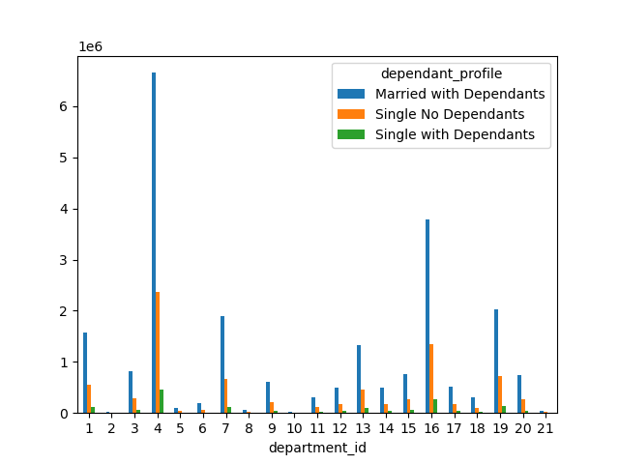
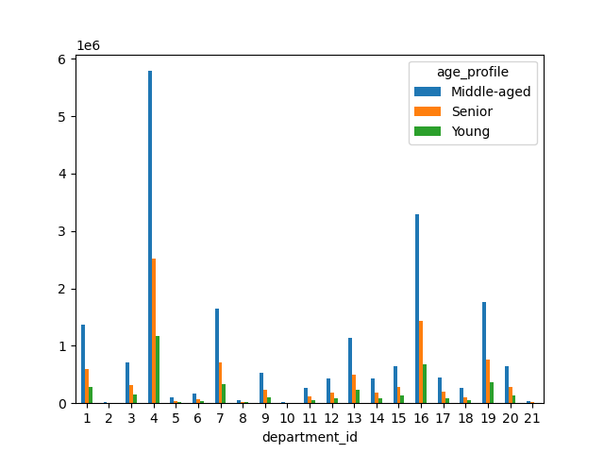
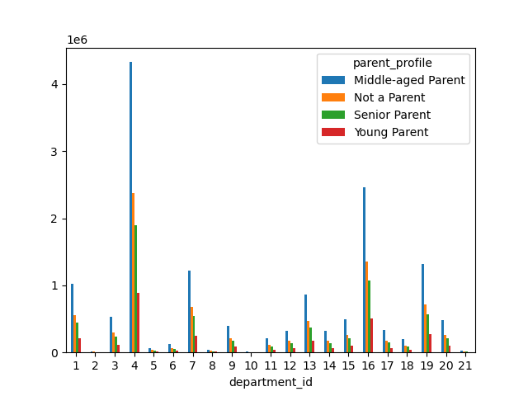
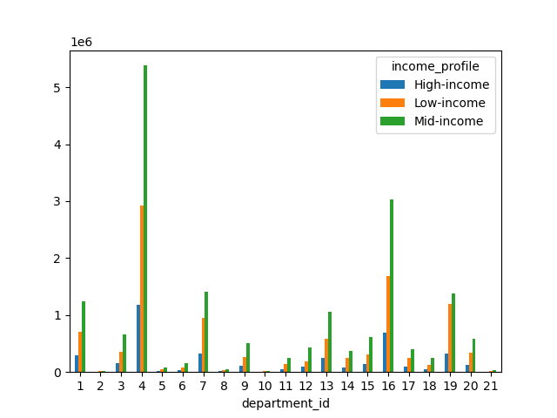
 |  |  |  |  |  |  |  |  |  | Title page

Visualisations

In this tab you should include all the visualtions from Exercises 4.9 and 4.10, alongside the questions from the project brief that they answer. Include any commentary on the relationship between different variables.

1. When are the busiest days of the week and the busiest hours of the day?

 |  | 0 | 1 | 2 | 3 | 4 | 5 | 6
 |  | Saturday | Sunday | Monday | Tuesday | Wednesday | Thursday | Friday




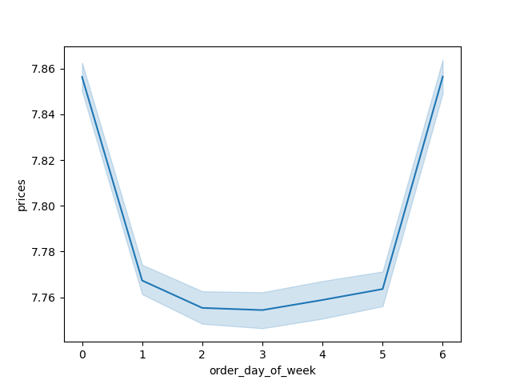

 | The first bar graph (all blue) shows the frequency for day of week in order, while the second one (colorful) shows the same thing but from largest to smallest.
 | The histogram to the left here shows the frequency for each hour during a 24-hr cycle.
 | All of these graphs are showing frequency of purchases for their respective day of week and hour.

 | 2. Are there particular times of the day when people spend more money?

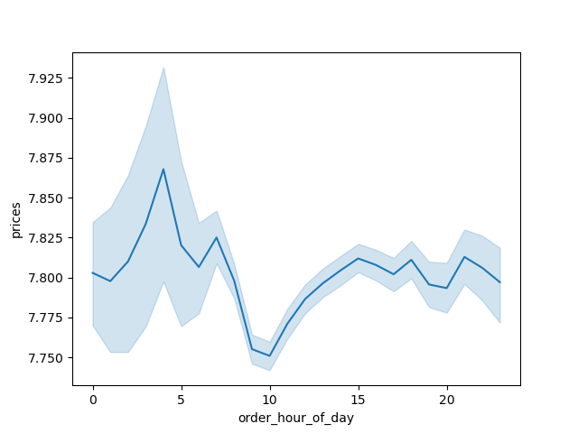

 |  |  |  |  |  |  |  |  | There doesn't seem to be a correlation between time and how much more money people spend.
 |  |  |  |  |  |  |  |  | There is a dip around 10am, but it's only slightly. It looks like a lot, but that's because our graph is really zoomed in. If you look at the prices, we're still under $8.
 |  |  |  |  |  |  |  |  | It doesn't really make sense intuitively for someone to spend more or less based on the time of day instead of just what they want or need in general.
 |  |  |  |  |  |  |  |  | Though, I'd imagine alcoholic products during the weekend evenings and nights, or food (e.g., ready-to-eat meals) items around lunch times each day.

 | 3. Grouping prices into simpler price ranges

 | To not be too redundant, I think the visualizations created for this question can be found in other questions, so I'll post them below.

 | 4. Which departments have the highest frequency of product orders?

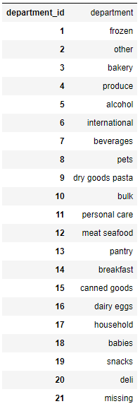



 |  |  |  |  | Across different customer groups, the produce department (department_id =4) has the highest purchase rate, which makes sense as produce doesn't last long, meaning people will have to purchase it more often.
 |  |  |  |  | Produce is also an omnivore ingredient, meaning most dishes, no matter the customer's dietary restrictions, will likely have a produce item within it.

 | 5.1 What is the distribution among users in regards to how often they return to Instacart?



REGULAR CUSTOMERS

LOYAL CUSTOMERS

NEW CUSTOMERS

 | Most customers are regular customers, and about half of that are loyal customers.

 | 5.2 Are there differences in ordering habits based on a customer's loyalty status?
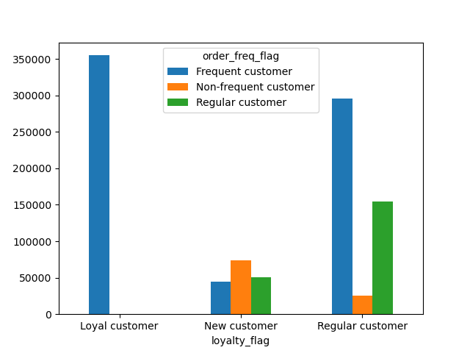

 | Unsurprisingly, all loyal customers are frequent shoppers, regular customers are mostly frequent shoppers, and new customers are mostly non-frequent shoppers.

 | 5.3. Are there differences in ordering habits based on a customer's region?

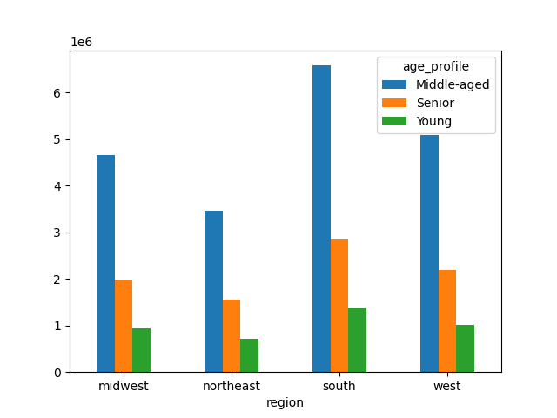
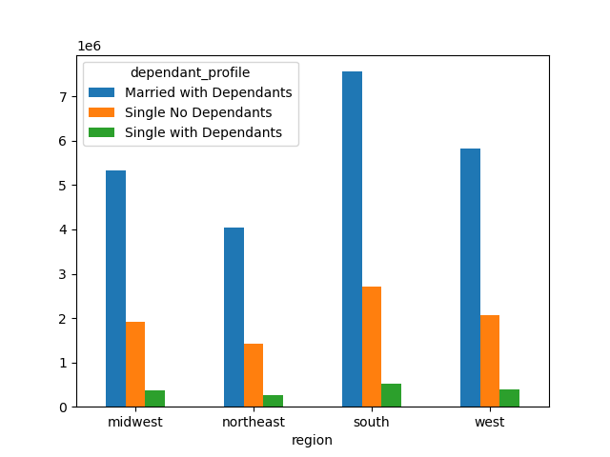

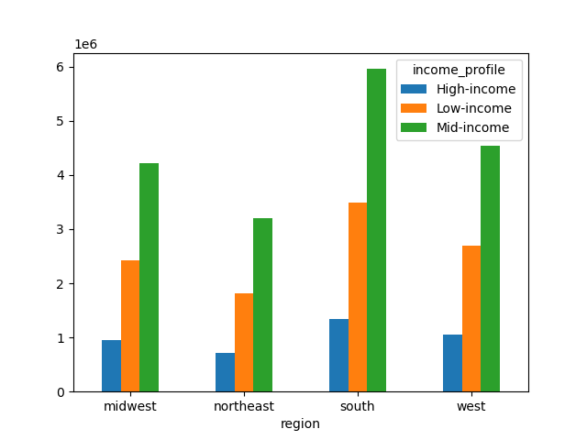
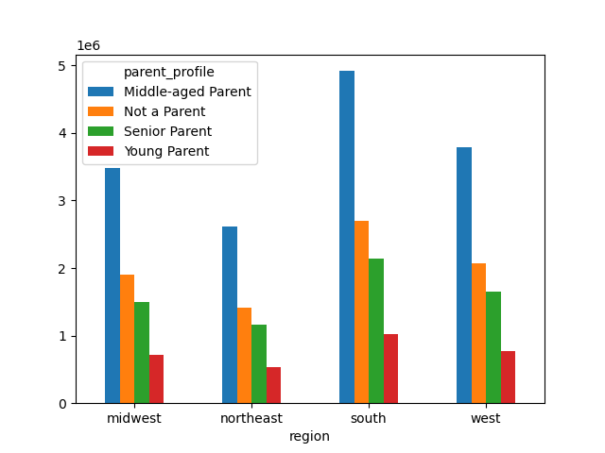

 | Overall, it looks like the majority of our customers are in the south region of the US, and middle-aged parents do the majority of the purcases (more details in the next question).

 | 5.4. Is there a connection between age and family status in terms of ordering habits?

 | Please see the parent_profile, dependant_profile, and age_profile above for this question. There is a connection between age and marital (family) status and ordering habits.
 | Middle-aged parents tend to order more, likely due to their busy schedules with their career and parenthood. Having groceries ordered saves them time and energy.
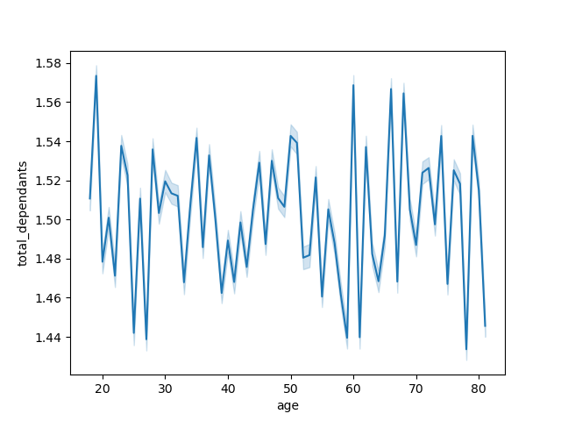

 | 5.5. Classification by demographics

 | Please see the graphs for question 5.3 above for this question, too.
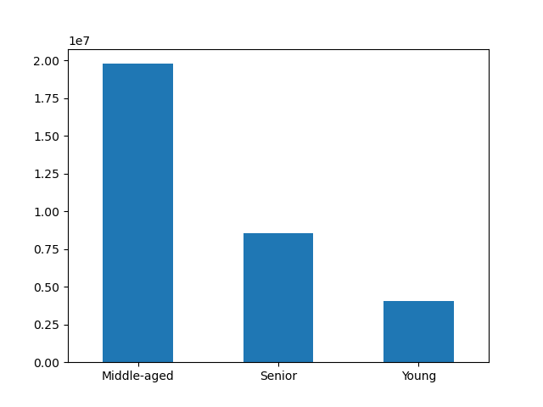
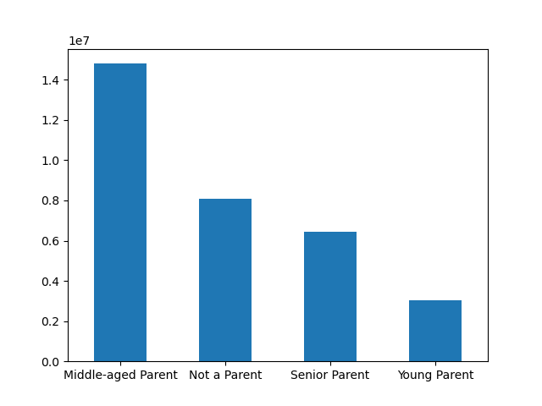


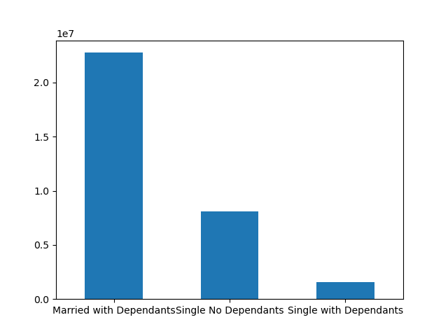
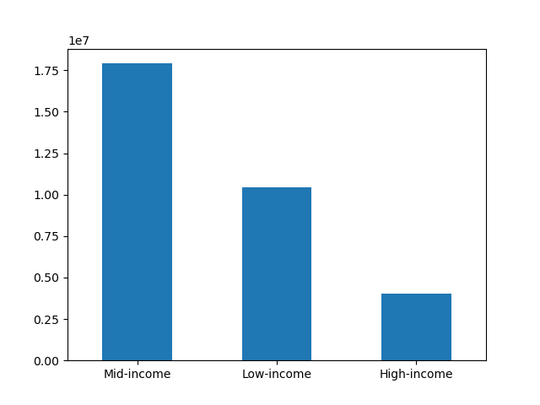

 | 5.6 Customer Profiles and Ordering Habits

 | Please see the graphs for question 5.3 and 5.5 above for this question, too.

7. Recommendations
 |  |  |  |  |  |  |  | Title page

Recommendations

In this tab you should include any recommendations you would made to Instcart in terms of their marketing strategy based on the questions posed in the brief. Every key question has been covered in the Tasks of the Exercises - here you need to add an item - a visualisation or table/crosstable that is showing the answer in the data, acompanied by a comment from you. Please, list the questions below and add the answer underneath.

KEY QUESTIONS

1. When are the busiest days of the week and the busiest hours of the day?

The top three busiest days of the week are Saturday, Sunday, and Friday, in other words: the weekend. The busiest hours of the day are between about 9am to 5pm, which are typical US working hours, meaning they are hours where people are accustomed to being productive; if they aren't using their time and energy at work, they are using that time and energy towards errands like (virtual) grocery shopping.
Wednesday, and closely followed by Tuesday are the least busiest days. This makes sense as people are likely engrossed in their work week, and not thinking about errands such as grocery shopping. The least busiest hours are between 12am and about 6am, which makes sense as most people are likley still asleep.
Monday and Thursday are even in terms of orders, and between 6pm to 11pm, there some orders, but they steadily decline as the evening progresses. While the two days of week are even in terms of orders, for the most effective marketing strategy, we should focus our efforts on Thursday evenings.
By focusing our marketing efforts on Thursday evenings, we are reinforcing and reminding people to shop (more) on the upcoming weekends, boosting our sales even more on the days people are already shopping. While it may seem that we should address our lowest days (Wednesday and Tuesday), people are more likely to have more free time and energy to shop on the weekends anyway. If our goal is to increase sales, when people shop shouldn't matter as much as if they're shopping. It also doesn't make sense to do any promotions during the hours of 12am to 6am where the sales are the lowest because people are likely asleep, meaning they won't see the ads we put out anyway. If we advertise during the evening hours when people are calming down for the day and likely on their phones or TV, we are more likely to get more viewership, and subsequently more customers.
 |  | 0 | 1 | 2 | 3 | 4 | 5 | 6
 |  | Saturday | Sunday | Monday | Tuesday | Wednesday | Thursday | Friday

 | 2. Are there particular times of the day when people spend more money?

No, there isn't a correlation between the time of day and when people spend more money. People are going to spend what they're going to spend based on their needs and desire, not due to a particular time of day; however, certain day of the week and respective time of day may influence certain purchases that are more expensive than others. For example, someone may be more incline to spend more on alcohol, which is typically more expensive than say, produce, on a Friday evening than they would on a Tuesday evening, so that may be a marketing strategy to consider.
While the data doesn't support the correlation, based on typical human behavior, we can strategize a marketing tactic that would likely yield the most revenue. In addition to the liklihood of increased alcohol consumption, people are likely to have more free time and energy on the weekends to cook versus on the weekday where they may be burnt out from work. It may be beneficial to advertise meats and seafood, which are typically more expensive, during our ad campaigns to promote such purchases. "You worked hard all week, how about a nice juicy steak dinner and a glass of wine?" for example.
As mentioned in the previous question, the best time to advertise would be Thursday evenings while people are winding down from their day; they may be eating dinner and wondering what to make for the next day. If we target our ads during this time with our recommendation (e.g., meats and seafood), it may plant that idea in their heads for upcoming purchases.

 | 3. Grouping prices into simpler price ranges

For the sake of space and redundancy, I will be combining my answer and recommendations for this question with the next one. Please refer to the next section for answers. Thank you.

 | 4. Which departments have the highest frequency of product orders?

The department with the highest frequency of product orders is produce, followed by dairy eggs. Produce makes sense as not only do they not last long, so people have to purchase them more often, but they are an omnivore ingredient, meaning most dishes, no matter the customer's dietary restrictions, will likely have a produce item within it. There are plenty of people who are lactose-intolerant, vegetarian, and vegan, so the dairy eggs department is unlikely to take the #1 spot. Even meat lovers are likely to have some sort of produce as a side dish or ingredient as part of their cooking (e.g., onion, mushrooms, garlic).
Regarding price grouping (Question #3 above), it would make the most sense to group prices in beverages (department_id = 7), pantry (department_id = 13), and snacks (department_id = 19) as they often go hand-in-hand with one another. Snacks are often stored in the pantry, so while shopping for something in the pantry aisle, shoppers may be more inclined to buy a snack item if it was conveniently there, too, for a similar price. As for beverages, while most may be stored in the refridgerator to keep them cool, excess beverages may be stored in the pantry temporarily before being moved into the fridge when there's more room. The shopper may just wanted to buy a can of beans for their pantry, but if there's a bag of chips available next to it (i.e., presented next to it in the app) for just a quarter more, they may be more inclined to buy it as well.
People are going to buy produce regardless, so it may not make a difference whether we focus our advertising efforts on that or not. I think the best marketing strategy as it relates to product would be to advertise more on the dairy eggs department with two distinct ads targeting omnivores and those not lactose-intolerant and another one targeting vegetarians, vegans, and those lactose-intolerant. For the second one, we should emphasize on non-lactose milk options such as almond milk, soy milk, and oatmilk. People who are vegetarian, vegan, or lactose-intolerant may hesistate to even view the dairy eggs section, but if we advertise other options within that department, they may be more inclined to check it out, boosting the sales of our second highest department.

 | 5.1 What is the distribution among users in regards to how often they return to Instacart?

Most customers are considered "Regular Customers" meaning they have between 10 to 40 orders thus far, while "New Customers" have less than 10 orders, and "Loyal Customers" have more than 40 orders. Regular customers are likely already on track towards becoming loyal customers, so our marketing strategies should focus on converting new customers into regular customers, who would then subsequently become loyal customers.
Many other apps such as Uber and GrubHub give promotional pricing to new customers such as having the first year's subscription at 50% off -- we can do something similar with Instacart. We may take a hit that first year, but once the new customer becomes accustomed to using the service, they're likely to continue subscribing year after year (at the regular full price), leading to long-term increase in revenue. Also, since their subscription fee is reduced, they may be more inclined to buy more, more often, similar to how people purchase more often on Amazon since they offer the 2-day shipping through Prime.

 |  |  |  |  |  |  |  |  | Region | Regular | Loyal | New
 |  |  |  |  |  |  |  |  | Midwest | 3,750,978 | 2,373,774 | 1472573
 |  |  |  |  |  |  |  |  | Northeast | 2,780,744 | 1,841,785 | 1,100,207
 |  |  |  |  |  |  |  |  | South | 5,311,631 | 3,405,844 | 2,074,410
REGULAR CUSTOMERS
 |  |  |  |  |  |  |  |  | West | 4,033,423 | 2,662,690 | 1,596,800
 |  |  |  |  |  |  |  |  | Total | 15,876,776 | 10,284,093 | 4,771,417

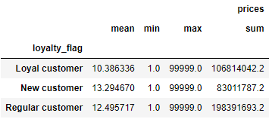
LOYAL CUSTOMERS
NEW CUSTOMERS

 | 5.2 Are there differences in ordering habits based on a customer's loyalty status?

Unsurprisingly, all loyal customers are frequent shoppers, regular customers are mostly frequent shoppers, and new customers are mostly non-frequent shoppers.
As for recommendations, please refer to the previous question for the answer, but basically regular customers are likely already on track on becoming loyal customers based on their current shopping habits, so we should focus our efforts on converting new customers into regular customers. Most new customers are non-frequent shoppers, so they may have given Instacart a chance or two, but overall didn't see the benefit or didn't have the funds to continue, which is why giving a discount for a year's subscription may be more enticing than a one-time discount deal. Once they are accustomed to using the app regularly, they are likely to continue using the service pass the promotional timeframe.
In addition, we should give our loyal and regular customers occasional promotional deals and discounts as well to thank them for their loyalty, and it would also serve as a reminder why they should keep using our app. During these promotional timeframes, loyal and regular customers may be more incline to spend more as well since it's not so often they get these deals, giving a boost in revenue during these periods.

 | 5.3. Are there differences in ordering habits based on a customer's region?

Yes; across different customer profiles, those in the Southern region tend to order more, followed by the Western region. Texas, a ginormous state, is a part of the Southern region, which may lend some insight as to why the Southern numbers are higher. With a bigger state comes more room between buildings, such as someone's house and the closest grocery store. It may be more convenient to have someone deliver groceries for you as opposed to driving long miles to the nearest grocery store to get your supplies. As for the Western region, which contains California, a large, but densely populated state, it may be easier to have someone else deliver the groceries as opposed to being in traffic and waiting in long lines for your supplies.
Though there is a difference between ordering habits across the regions, it's quite slight. I don't think there's so much that we need to target a particular area -- all regions can receive the same ad of how convenient it is to use Instacart and how much time it'll save them vs going to the grocery stores themselves, and it potentially can boost sales in all regions.

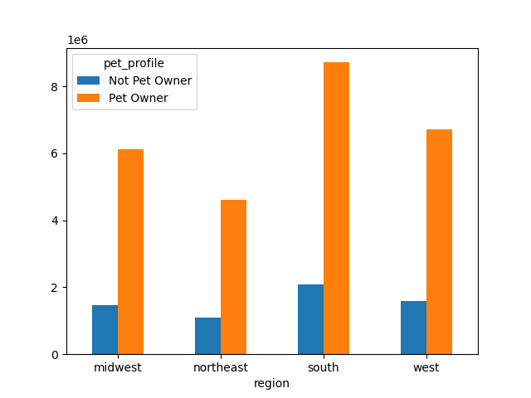

 | 5.4. Is there a connection between age and family status in terms of ordering habits?

Yes, there is a connection between age and marital (family) status and ordering habits. Middle-aged parents tend to order more, likely due to their busy schedules with their career and parenthood. Having groceries ordered saves them time and energy.
We should focus on that concept in our marketing efforts: using Instacart saves time, so you can spend that time on other things such as time with your family (or hobbies and/or pets, if you don't have children).

 | 5.5. Classification by demographics

The majority of our customers are middle-aged married parents with mid-level incomes.
Please see the response to the previous question regarding recommendations. Thank you.

 | 5.6 Customer Profiles and Ordering Habits

There doesn't appear to be any discernable difference between customer profiles and ordering habits. People are people regardless of their age and income; they'll always need some sort of food item and supplies for their household; however if someone is a pet owner, they likely spend more in the pet aisle than someone without a pet, and someone who is vegetarian or vegan are less likely to spend anything in the meat and seafood aisles.
Please see the response in Question 1 and 4 for information on recommendations. Thank you.

